S001
Screen ID: S001 Screen Name: Login/Sign-up

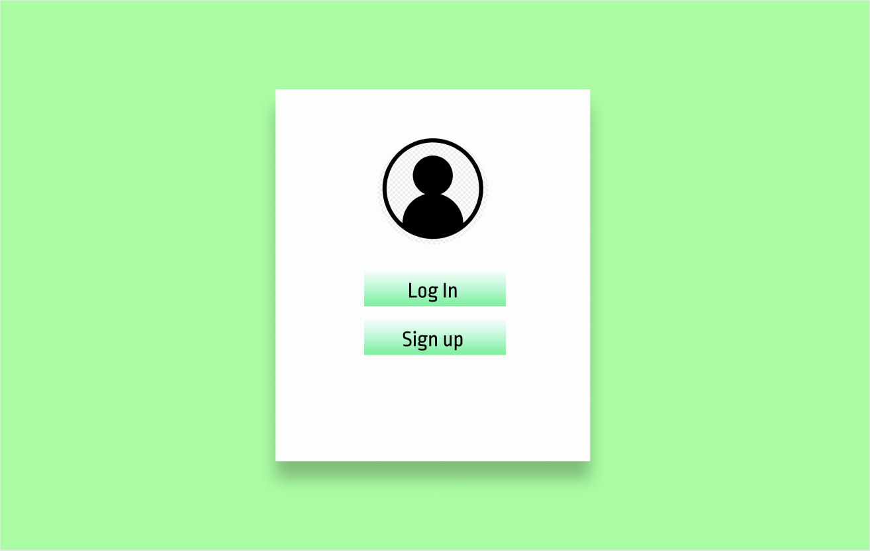

 | FIELDS

 | Field Name |  |  | Data Type | Length | Field Type | Required | Default Value | Display Format | Example |  | Logic

 | Body Section
 | Buttons
 | Log in |  |  |  |  | button |  |  |  |  |  | Onclick, displays login form
 | Sign up |  |  |  |  | button |  |  |  |  |  | Onclick, displays signup form

 | NOTIFICATIONS

 |  | Display the following messages as a popup in the same window.

 |  |  | Scenario |  |  |  |  |  |  |  | Message

S002
Screen ID: S002 Screen Name: Main menu screen

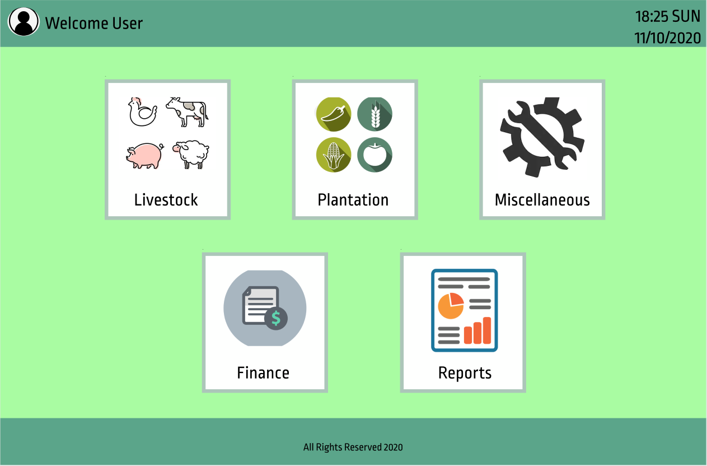

 | FIELDS

 | Field Name |  |  | Data Type | Length | Field Type | Required | Default Value | Display Format | Example |  | Logic

 | Body Section
 | Buttons
 | Livestock |  |  |  |  | button |  |  |  |  |  | Onclick, displays login form
 | Plantation |  |  |  |  | button |  |  |  |  |  | Onclick, displays signup form
 | Miscellaneous
 | Finance
 | Reports

 | NOTIFICATIONS

 |  | Display the following messages as a popup in the same window.

 |  |  | Scenario |  |  |  |  |  |  |  | Message

S004
Screen ID: S004 Screen Name: Login screen

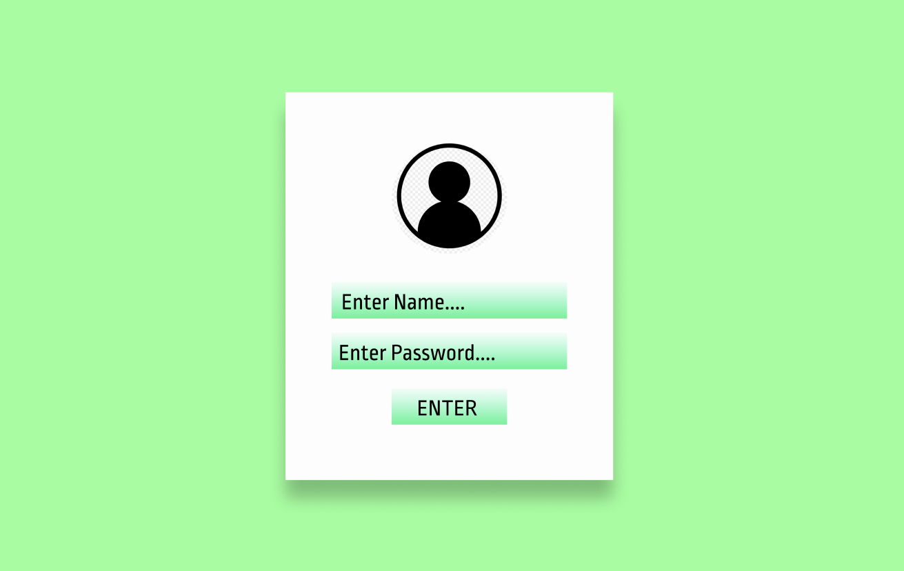

 | FIELDS

 | Field Name |  |  | Data Type | Length | Field Type | Required | Default Value | Display Format | Example |  | Logic

 | Body Section
 | Login Pane
 | Name text field |  |  | string |  | textbox | Y |  |  | Admin
 | Password text field |  |  | string |  | textbox | Y |  |  | password
 | Buttons
 | enter |  |  |  |  | button |  |  |  |  |  | Onclick, verifies the login

 | NOTIFICATIONS

 |  | Display the following messages as a popup in the same window.

 |  |  | Scenario |  |  |  |  |  |  |  | Message
 |  |  | account name does not exist |  |  |  |  |  |  |  | Account name does not exist
 |  |  | incorrect password input |  |  |  |  |  |  |  | Incorrect password

S005
Screen ID: S005 Screen Name: Animals menu screen

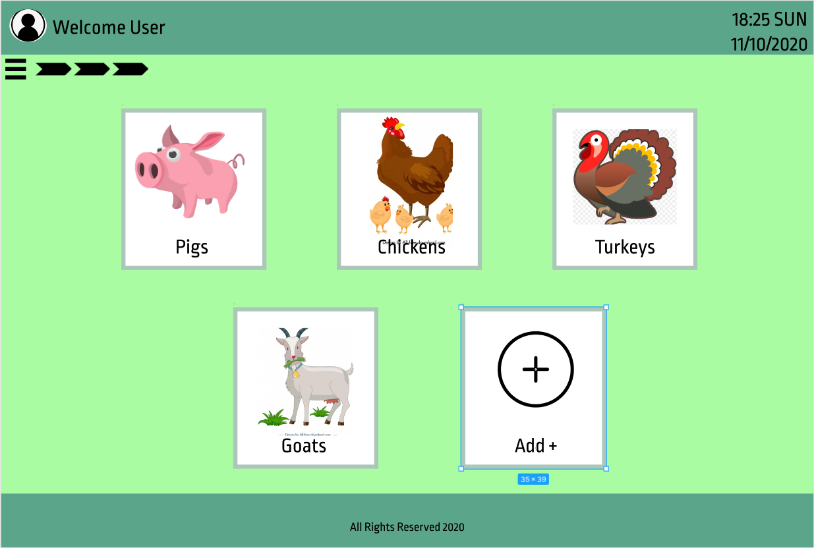

 | FIELDS

 | Field Name |  |  | Data Type | Length | Field Type | Required | Default Value | Display Format | Example |  | Logic

 | Body Section
 | Buttons
 | livestock |  |  |  |  | button |  |  |  |  |  | Onclick, redirects to the clicked livestock
 | add |  |  |  |  | button |  |  |  |  |  | Onclick, displays add live stock form

 | NOTIFICATIONS

 |  | Display the following messages as a popup in the same window.

 |  |  | Scenario |  |  |  |  |  |  |  | Message

S006
Screen ID: S006 Screen Name: Animals menu screen

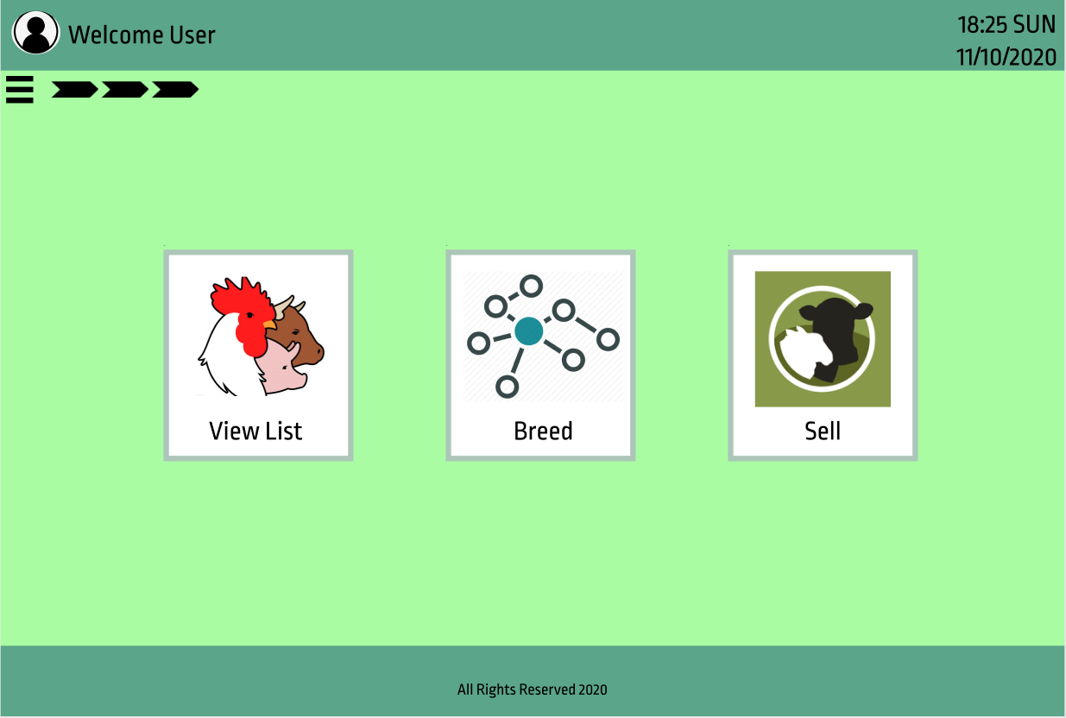

 | FIELDS

 | Field Name |  |  | Data Type | Length | Field Type | Required | Default Value | Display Format | Example |  | Logic

 | Body Section
 | Buttons
 | view list |  |  |  |  | button |  |  |  |  |  | Onclick, redirects to the view list screen
 | breed |  |  |  |  | button |  |  |  |  |  | Onclick, redirects to the breed screen
 | sell |  |  |  |  | button |  |  |  |  |  | Onclick, redirects to the sell screen

 | NOTIFICATIONS

 |  | Display the following messages as a popup in the same window.

 |  |  | Scenario |  |  |  |  |  |  |  | Message

S007
Screen ID: S007 Screen Name: Lists of animal screen

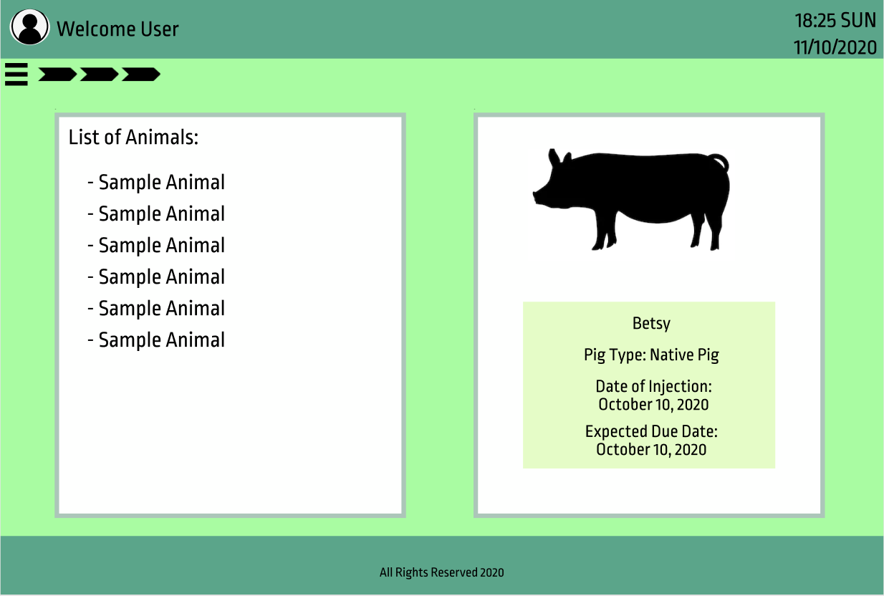

 | FIELDS

 | Field Name |  |  | Data Type | Length | Field Type | Required | Default Value | Display Format | Example |  | Logic

 | Body Section
 | Table
 | list of animals |  |  | string |  | table column |  |  |  |  |  | Onclick, redirects to the view list screen
 | Live stock information pane |  |  |  |  |  |  |  |  |  |  | Onclick, redirects to the breed screen
 | name |  |  | string |  | text |  |  |  |  |  | Onclick, redirects to the sell screen
 | type |  |  | string |  | text
 | date of injection |  |  | string |  | text
 | expected due date |  |  | string |  | text

 | NOTIFICATIONS

 |  | Display the following messages as a popup in the same window.

 |  |  | Scenario |  |  |  |  |  |  |  | Message

S008
Screen ID: S008 Screen Name: Animal/List of animals screen

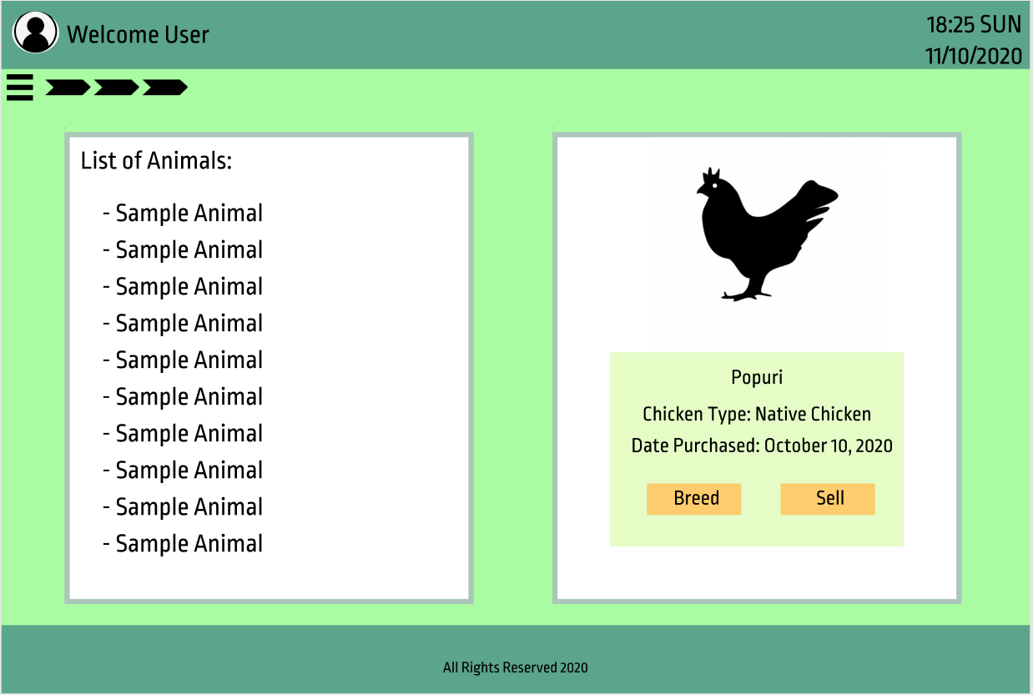

 | FIELDS

 | Field Name |  |  | Data Type | Length | Field Type | Required | Default Value | Display Format | Example |  | Logic

 | Body Section
 | Table
 | list of animals |  |  | string |  | table column
 | Live stock information pane
 | name |  |  | string |  | text
 | type |  |  | string |  | text
 | date of injection |  |  | string |  | text
 | expected due date |  |  | string |  | text
 | Button
 | breed |  |  |  |  | button |  |  |  |  |  | Onclick, redirects to the breed screen
 | sell |  |  |  |  | button |  |  |  |  |  | Onclick, redirects to the sell screen

 | NOTIFICATIONS

 |  | Display the following messages as a popup in the same window.

 |  |  | Scenario |  |  |  |  |  |  |  | Message

S009
Screen ID: S009 Screen Name: Plantation Menu screen

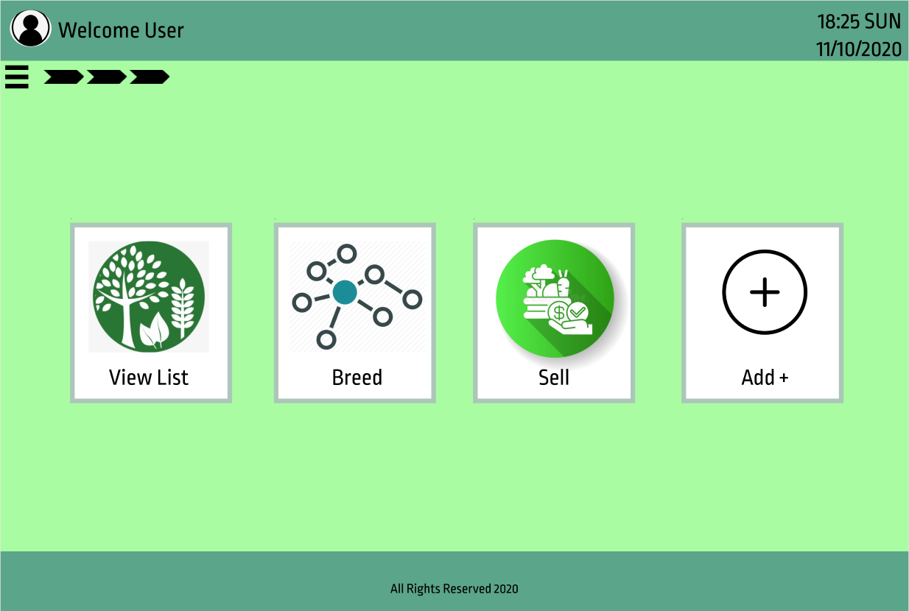

 | FIELDS

 | Field Name |  |  | Data Type | Length | Field Type | Required | Default Value | Display Format | Example |  | Logic

 | Body Section
 | Button
 | view list |  |  |  |  | button |  |  |  |  |  | Onclick, redirects to the plantation screen
 | breed |  |  |  |  | button |  |  |  |  |  | Onclick, redirects to the breed screen
 | sell |  |  |  |  | button |  |  |  |  |  | Onclick, redirects to the sell screen
 | add |  |  |  |  | button |  |  |  |  |  | Onclick, shows add plantation form

 | NOTIFICATIONS

 |  | Display the following messages as a popup in the same window.

 |  |  | Scenario |  |  |  |  |  |  |  | Message

S010
Screen ID: S010 Screen Name: Plantation/List of plantation screen

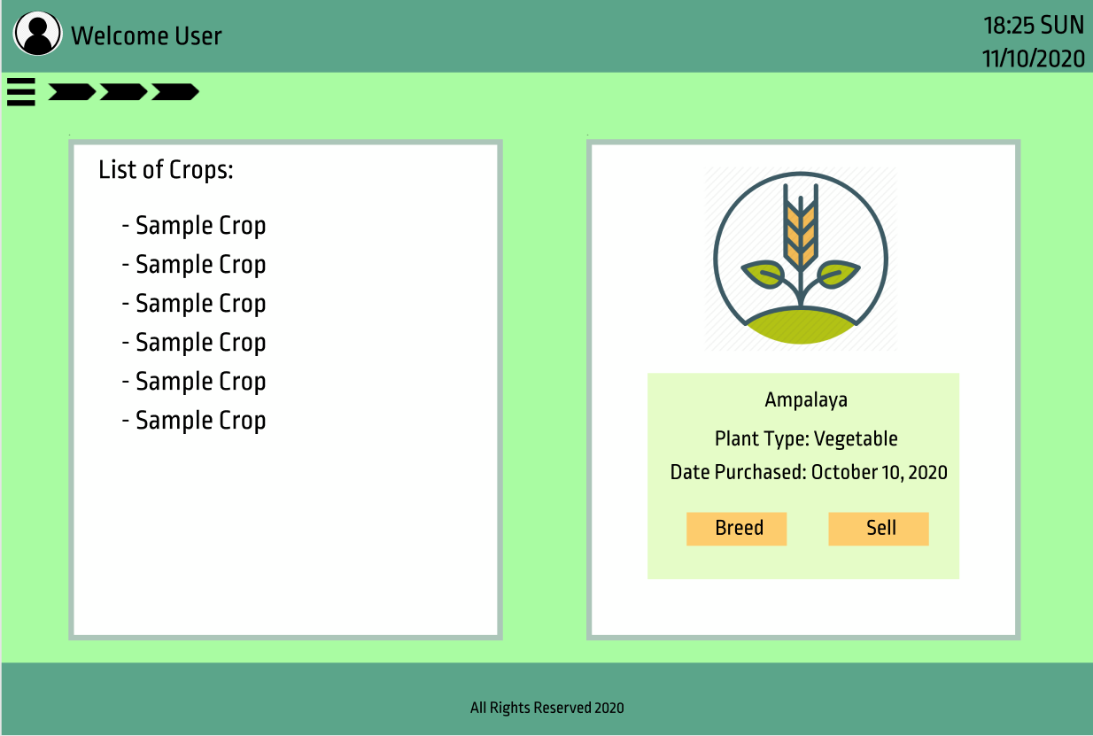

 | FIELDS

 | Field Name |  |  | Data Type | Length | Field Type | Required | Default Value | Display Format | Example |  | Logic

 | Body Section
 | Table
 | list of plantation |  |  |  |  |  |  |  |  |  |  | Onclick, redirects to the plantation screen
 | Plantation information pane |  |  |  |  |  |  |  |  |  |  | Onclick, redirects to the breed screen
 | name |  |  | string |  |  |  |  |  |  |  | Onclick, redirects to the sell screen
 | type |  |  | string |  |  |  |  |  |  |  | Onclick, shows add plantation form
 | cross breed with |  |  | string
 | date fully grown |  |  | string
 | buyer |  |  | string
 | date sold |  |  | string
 | Button
 | breed |  |  |  |  | button |  |  |  |  |  | Onclick, shows breed screen
 | sell |  |  |  |  | button |  |  |  |  |  | Onclick, shows sell screen

 | NOTIFICATIONS

 |  | Display the following messages as a popup in the same window.

 |  |  | Scenario |  |  |  |  |  |  |  | Message

S011
Screen ID: S011 Screen Name: Equipments screen

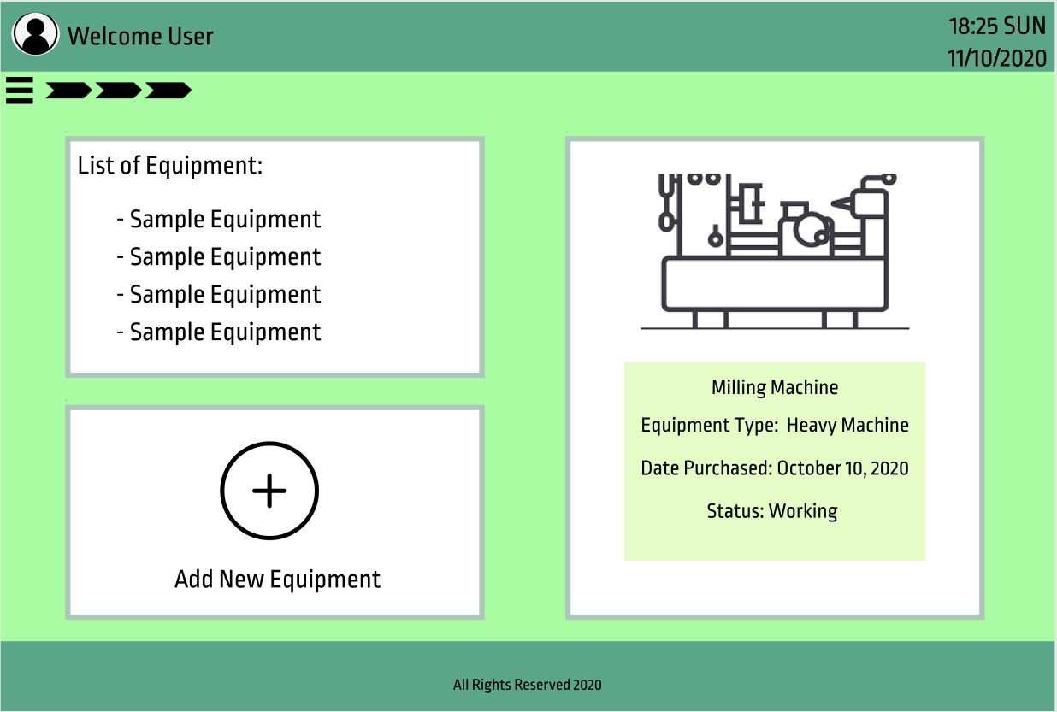

 | FIELDS

 | Field Name |  |  | Data Type | Length | Field Type | Required | Default Value | Display Format | Example |  | Logic

 | Body Section
 | Table
 | list of equipment |  |  | string |  | table column
 | equipment information pane
 | name |  |  | string
 | type |  |  | string
 | date purchased |  |  | string
 | status |  |  | string
 | Button
 | add new equipment |  |  |  |  | button |  |  |  |  |  | Onclick, displays add new equipment form

 | NOTIFICATIONS

 |  | Display the following messages as a popup in the same window.

 |  |  | Scenario |  |  |  |  |  |  |  | Message

S012
Screen ID: S012 Screen Name: List of purchase, profit and expenses screen

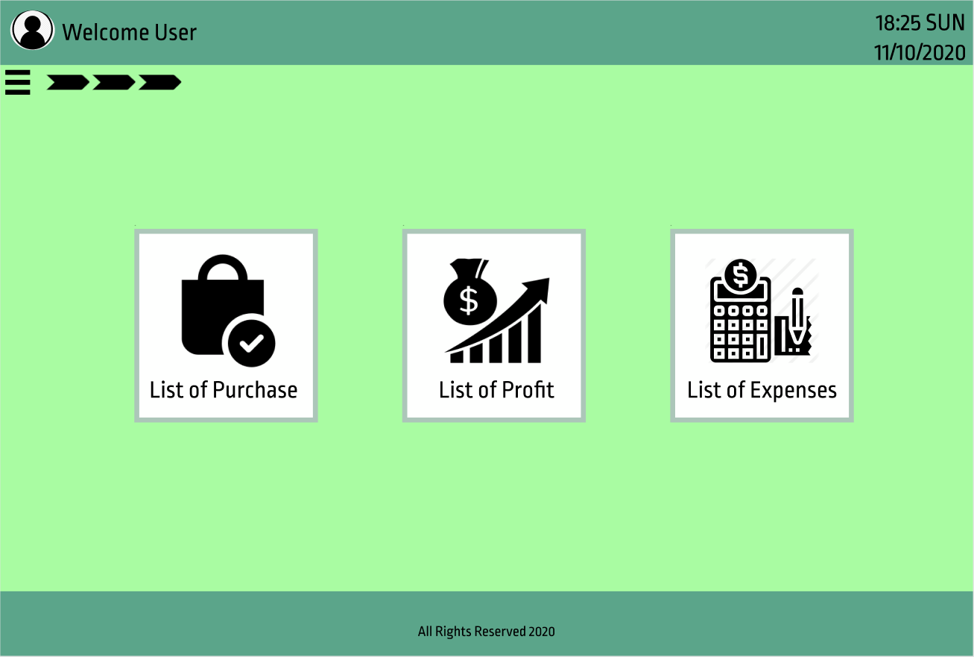

 | FIELDS

 | Field Name |  |  | Data Type | Length | Field Type | Required | Default Value | Display Format | Example |  | Logic

 | Body Section
 | Button
 | list of purchase |  |  |  |  | button |  |  |  |  |  | Onclick, redirects to list of purchase screen
 | list of profit |  |  |  |  | button |  |  |  |  |  | Onclick, redirects to profit screen
 | list of expenses |  |  |  |  | button |  |  |  |  |  | Onclick, redirects to expenses screen

 | NOTIFICATIONS

 |  | Display the following messages as a popup in the same window.

 |  |  | Scenario |  |  |  |  |  |  |  | Message

S013
Screen ID: S013 Screen Name: Tasks & Reports screen

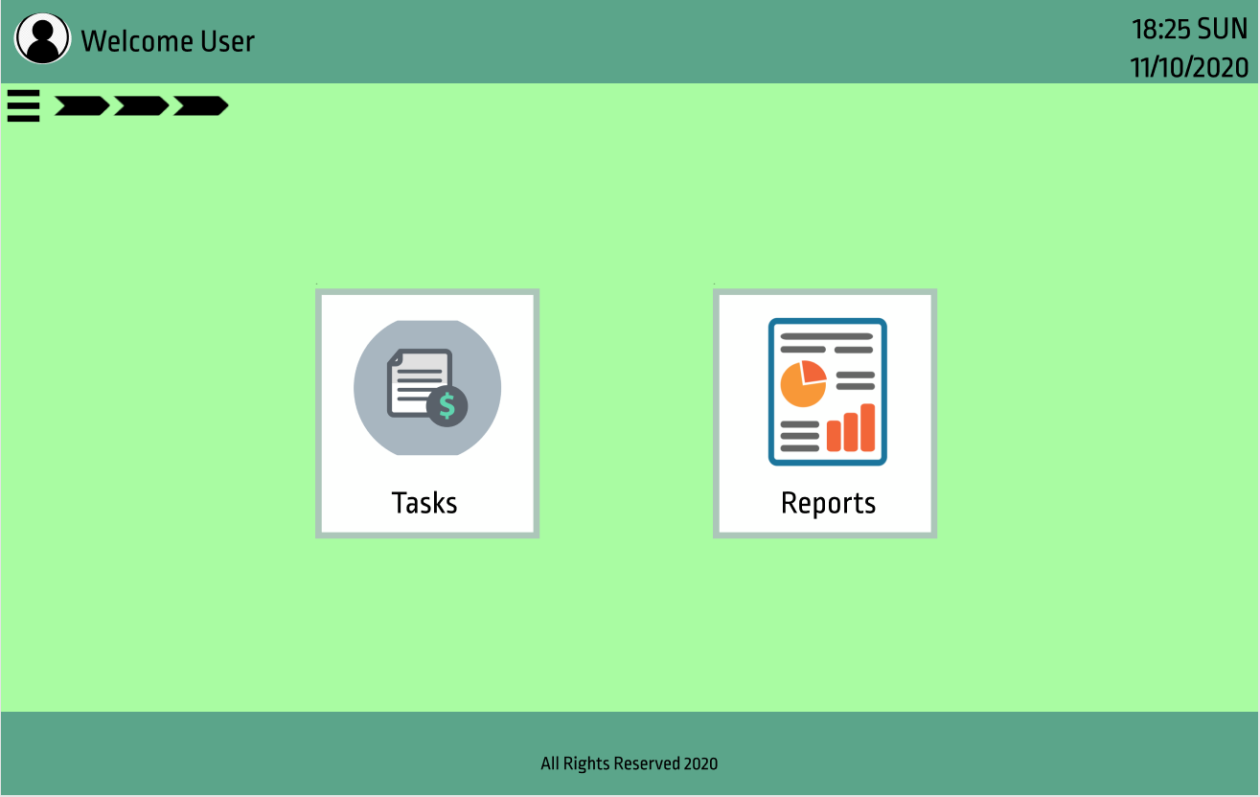

 | FIELDS

 | Field Name |  |  | Data Type | Length | Field Type | Required | Default Value | Display Format | Example |  | Logic

 | Body Section
 | Button
 | tasks |  |  |  |  | button |  |  |  |  |  | Onclick, redirects to tasks screen
 | reports |  |  |  |  | button |  |  |  |  |  | Onclick, redirects to reports screen

 | NOTIFICATIONS

 |  | Display the following messages as a popup in the same window.

 |  |  | Scenario |  |  |  |  |  |  |  | Message

S014
Screen ID: S014 Screen Name: Report Screen

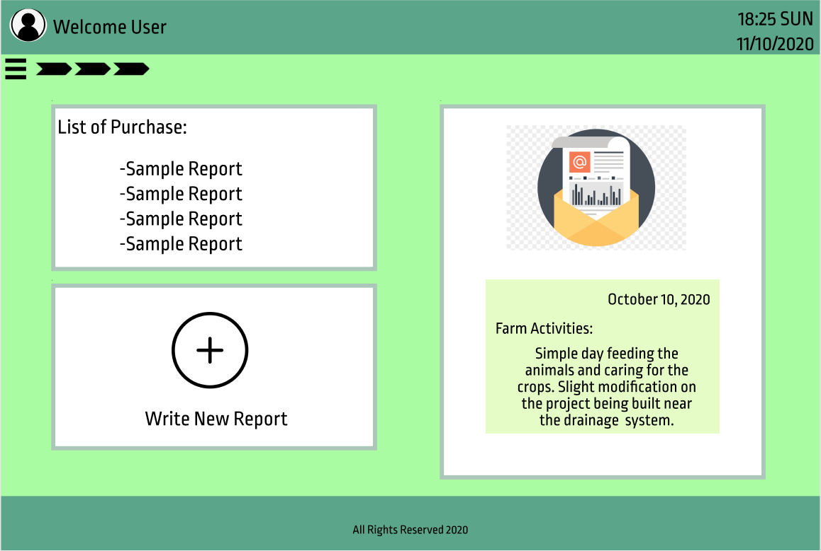

 | FIELDS

 | Field Name |  |  | Data Type | Length | Field Type | Required | Default Value | Display Format | Example |  | Logic

 | Body Section
 | Table
 | reports table |  |  | string |  | table column
 | Button
 | write new report |  |  |  |  | button |  |  |  |  |  | Onclick, displays write new report form
 | Report pane
 | date |  |  | string
 | report title |  |  | string
 | report description |  |  | string

 | NOTIFICATIONS

 |  | Display the following messages as a popup in the same window.

 |  |  | Scenario |  |  |  |  |  |  |  | Message

S015
Screen ID: S015 Screen Name: Tasks List

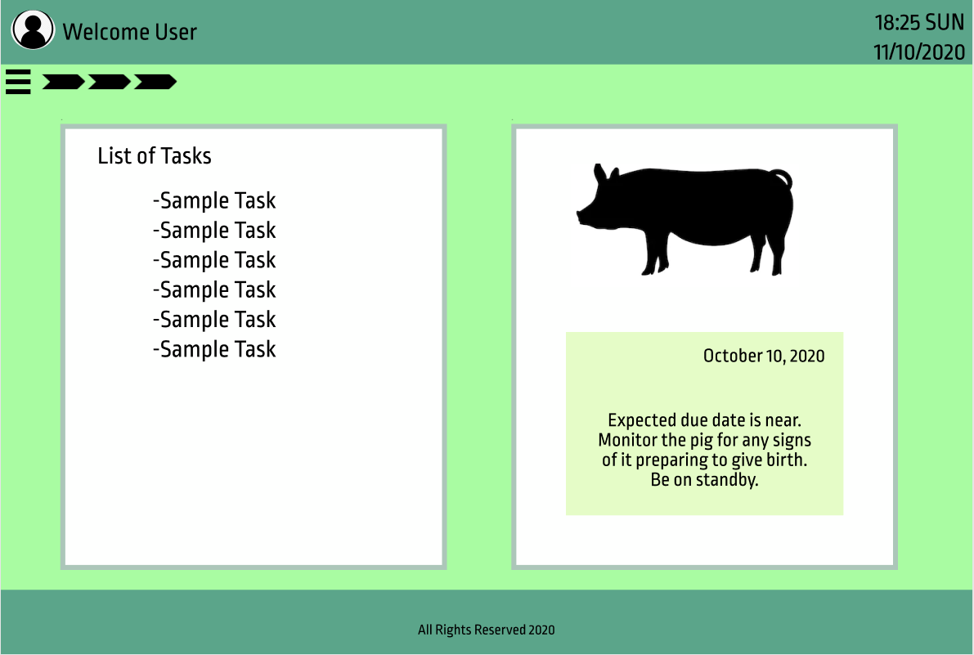

 | FIELDS

 | Field Name |  |  | Data Type | Length | Field Type | Required | Default Value | Display Format | Example |  | Logic

 | Body Section
 | Table
 | tasks table |  |  | string |  | table column
 | Report pane
 | date |  |  | string |  | button
 | tasks description |  |  | string

 | NOTIFICATIONS

 |  | Display the following messages as a popup in the same window.

 |  |  | Scenario |  |  |  |  |  |  |  | Message

